Perhitungan Manual
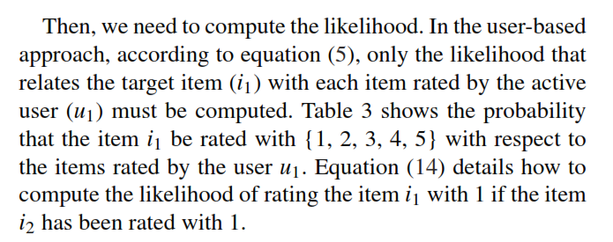
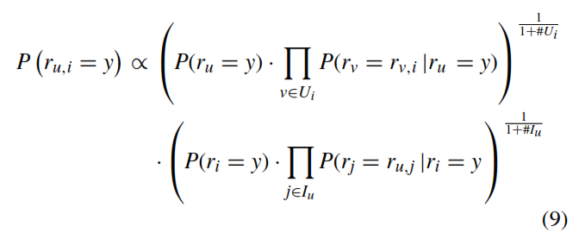

 | i1 | i2 | i3 | i4 | i5 | i6 | i7 | i8 | i9
U1 | 0 | 1 | 2 | 2 | 5 | 0 | 4 | 3 | 5 |  | alpha | 0.01
U2 | 1 | 5 | 3 | 0 | 2 | 3 | 4 | 3 | 0 |  | R | 5
U3 | 1 | 1 | 2 | 0 | 2 | 4 | 4 | 5 | 0
U4 | 3 | 2 | 2 | 3 | 0 | 1 | 3 | 2 | 0
U5 | 5 | 1 | 5 | 5 | 4 | 4 | 5 | 2 | 0

 | Hitung Prob/Kemungkinan Prior
 |  | Item 1 | Item 2 | Item 3 | Item 4 | Item 5 | Item 6 | Item 7 | Item 8 | Item 9 |  |  |  | R(i1,u1) | PREDICTED RATING |  |  |  |  |  | BEST |  |  | R(u3,i4) | PREDICTED RATING |  |  |  |  |  |  | R(u4,i5) | PREDICTED RATING
 | USER BASED |  |  |  |  |  |  |  |  |  |  |  |  | y score | 1 | 2 | 3 | 4 | 5 |  |  |  |  | y | 1 | 2 | 3 | 4 | 5 |  |  | y | 1 | 2 | 3 | 4 | 5
1 | P(ri=1) | 0.4962962963 | 0.59603960396 | 0.0019801980198 | 0.0032786885246 | 0.0024691358025 | 0.24938271605 | 0.0019801980198 | 0.0019801980198 | 0.0095238095238 |  |  |  | USER-BASED | 1.1355124467E-05 | 3.1604938272E-08 | 7.894074493E-11 | 3.1604938272E-08 | 3.7590830919E-12 |  | 1.13551E-05 |  |  | USER-BASED | 4.1967213115E-08 | 1.0587118595E-08 | 4.9421478728E-14 | 4.1967213115E-08 | 2.3769377864E-13 |  |  | USER-BASED | 3.1604938272E-08 | 1.3507321509E-13 | 3.1604938272E-08 | 3.5623559711E-13 | 7.894074493E-11
2 | P(ri=2) | 0.0024691358025 | 0.2 | 0.59603960396 | 0.33114754098 | 0.4962962963 | 0.0024691358025 | 0.0019801980198 | 0.39801980198 | 0.0095238095238 |  |  |  | ITEM-BASED | 1.1904096376E-07 | 1.2492174766E-05 | 1.1786234036E-09 | 1.202313734E-05 | 4.925712264E-08 |  | 1.24922E-05 |  |  | ITEM-BASED | 0.00065910205666 | 0.00065910205666 | 1.134751773E-05 | 0.00065910205666 | 1.2375545738E-07 |  |  | ITEM-BASED | 2.499860239E-06 | 4.9830976179E-09 | 1.6248600319E-10 | 2.2695035461E-06 | 2.2695035461E-06
3 | P(ri=3) | 0.24938271605 | 0.0019801980198 | 0.2 | 0.33114754098 | 0.0024691358025 | 0.24938271605 | 0.2 | 0.39801980198 | 0.0095238095238 |  |  |  | HYBRID-BASED | 9.9320E-03 | 1.2072E-02 | 8.9421E-04 | 1.1980E-02 | 1.2894E-03 |  | 1.20725E-02 |  |  | HYBRID-BASED | 1.9169E-02 | 1.6137E-02 | 1.2603E-03 | 1.9169E-02 | 4.9561E-04 |  |  | HYBRID-BASED | 0.0087508958309 | 0.00053804801519 | 0.0012724260729 | 0.0020661095135 | 0.0040583437107
4 | P(ri=4) | 0.0024691358025 | 0.0019801980198 | 0.0019801980198 | 0.0032786885246 | 0.24938271605 | 0.4962962963 | 0.59603960396 | 0.0019801980198 | 0.0095238095238 |  | #U_i = | 4 |  |  |  |  |  |  |  |  | #U_i = | 3 |  |  |  |  |  |  | #U_i = | 4
5 | P(ri=5) | 0.24938271605 | 0.2 | 0.2 | 0.33114754098 | 0.24938271605 | 0.0024691358025 | 0.2 | 0.2 | 0.9619047619 |  | #I_u = | 7 |  |  |  |  |  |  |  |  | #I_u = | 7 |  |  |  |  |  |  | #I_u = | 7

 |  | RATING
 | ITEM BASED | 1 | 2 | 3 | 4 | 5
1 | P(ru1) | 0.14326241135 | 0.28510638298 | 0.14326241135 | 0.14326241135 | 0.28510638298
2 | P(ru2) | 0.14326241135 | 0.14326241135 | 0.42695035461 | 0.14326241135 | 0.14326241135
3 | P(ru3) | 0.28510638298 | 0.28510638298 | 0.0014184397163 | 0.28510638298 | 0.14326241135
4 | P(ru4) | 0.14326241135 | 0.42695035461 | 0.42695035461 | 0.0014184397163 | 0.0014184397163
5 | P(ru5) | 0.12546583851 | 0.12546583851 | 0.0012422360248 | 0.24968944099 | 0.49813664596

 |  | LIKELIHOOD USER BASED |  | ri = i1 |  |  |  |  | LIKELIHOOD USER BASED |  | ri = i4 |  |  |  | LIKELIHOOD USER BASED |  | ri = i5
 |  | RATING
 |  | 1 | 2 | 3 | 4 | 5 |  |  | 1 | 2 | 3 | 4 | 5 |  |  | 1 | 2 | 3 | 4 | 5
 | i2 | 0.49268292683 | 0.2 | 0.0095238095238 | 0.2 | 0.9619047619 |  | i1 | 0.2 | 0.2 | 0.0095238095238 | 0.2 | 0.0095238095238 |  | i1 | 0.2 | 0.0048780487805 | 0.2 | 0.0095238095238 | 0.2
 | i3 | 0.49268292683 | 0.2 | 0.9619047619 | 0.2 | 0.0095238095238 |  | i2 | 0.2 | 0.0095238095238 | 0.0095238095238 | 0.2 | 0.0095238095238 |  | i2 | 0.2 | 0.0048780487805 | 0.2 | 0.0095238095238 | 0.0095238095238
 | i4 | 0.2 | 0.2 | 0.0095238095238 | 0.2 | 0.0095238095238 |  | i3 | 0.2 | 0.9619047619 | 0.0095238095238 | 0.2 | 0.0095238095238 |  | i3 | 0.2 | 0.49268292683 | 0.2 | 0.0095238095238 | 0.9619047619
 | i5 | 0.0048780487805 | 0.2 | 0.2 | 0.2 | 0.0095238095238 |  | i5 | 0.2 | 0.0095238095238 | 0.2 | 0.2 | 0.9619047619 |  | i4 | 0.2 | 0.2 | 0.2 | 0.0095238095238 | 0.0095238095238
 | i7 | 0.98048780488 | 0.2 | 0.0095238095238 | 0.2 | 0.0095238095238 |  | i6 | 0.2 | 0.2 | 0.0095238095238 | 0.2 | 0.0095238095238 |  | i6 | 0.2 | 0.0048780487805 | 0.2 | 0.0095238095238 | 0.2
 | i8 | 0.49268292683 | 0.2 | 0.0095238095238 | 0.2 | 0.0095238095238 |  | i7 | 0.2 | 0.0095238095238 | 0.0095238095238 | 0.2 | 0.0095238095238 |  | i7 | 0.2 | 0.0048780487805 | 0.2 | 0.0095238095238 | 0.0095238095238
 | i9 | 0.2 | 0.2 | 0.2 | 0.2 | 0.2 |  | i8 | 0.2 | 0.9619047619 | 0.0095238095238 | 0.2 | 0.0095238095238 |  | i8 | 0.2 | 0.0048780487805 | 0.2 | 0.9619047619 | 0.0095238095238
 |  | 2.2879728404E-05

 |  | LIKELIHOOD ITEM BASED |  | ru = u1 |  |  |  |  | LIKELIHOOD ITEM BASED |  | ru = u3 |  |  |  | LIKELIHOOD ITEM BASED |  | ru = u4
 |  | 1 | 2 | 3 | 4 | 5 |  |  | 1 | 2 | 3 | 4 | 5 |  |  | 1 | 2 | 3 | 4 | 5
 | U2 | 0.0095238095238 | 0.0095238095238 | 0.0095238095238 | 0.0095238095238 | 0.0095238095238 |  | U1 | 0.0095238095238 | 0.49268292683 | 0.2 | 0.0095238095238 | 0.0095238095238 |  | U1 | 0.2 | 0.0032786885246 | 0.0048780487805 | 0.2 | 0.2
 | U3 | 0.9619047619 | 0.0095238095238 | 0.0095238095238 | 0.0095238095238 | 0.0095238095238 |  | U4 | 0.49268292683 | 0.0095238095238 | 0.2 | 0.49268292683 | 0.0095238095238 |  | U2 | 0.0095238095238 | 0.0032786885246 | 0.0048780487805 | 0.2 | 0.2
 | U4 | 0.0095238095238 | 0.49268292683 | 0.0095238095238 | 0.9619047619 | 0.2 |  | U5 | 0.49268292683 | 0.49268292683 | 0.2 | 0.49268292683 | 0.0095238095238 |  | U3 | 0.0095238095238 | 0.33114754098 | 0.0048780487805 | 0.2 | 0.2
 | U5 | 0.0095238095238 | 0.98048780488 | 0.0095238095238 | 0.9619047619 | 0.0095238095238 |  |  |  |  |  |  |  |  | U5 | 0.9619047619 | 0.0032786885246 | 0.0032786885246 | 0.2 | 0.2
 |  | 8.3092949954E-07

